Trafficway_Flow
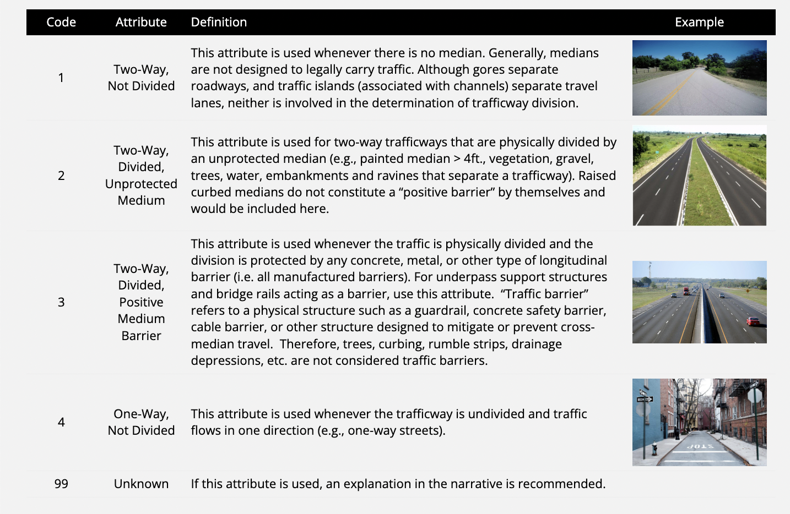
 |  | VTRAFWAY | % | Remark
 |  | 9 | 0.10889
 |  | 8 | 0.69297
 |  | 0 | 0.9652
 |  | 4 | 2.38578
 |  | 6 | 2.90551
 |  | 5 | 8.80562
 |  | 3 | 18.27451
 |  | 2 | 23.37772
 |  | 1 | 42.48379

driveway | private road for vehicles, often connecting a house or garage with a public road
Source | https://masscrashreportmanual.com/crash/trafficway-description/

